Dashboard
HR Analytics Dashboard

Highlights of Employees and Salary Structure

GH₵47.93 M
Total Salary
GH₵64.68 K
Average Salary
GH₵21.00 K
Minimum Salary
GH₵126.63 K
Maximum Salary
741
Total No. of Staff


Total Salary by Employment Type Majority of the salary is spent on Full Time
 | Total Salary
Full Time | 34,544,280
Contract | 6,635,909
Half-Time | 3,040,565
Hourly | 3,707,621
% of Staff by Employment type More than 50% are full time employees
 | No of Staff
Full Time | 374
Contract | 126
Half-Time | 120
Hourly | 121
Average Salary by Employment Type
 | Avg Salary
Full Time | 92,364
Contract | 52,666
Half-Time | 25,338
Hourly | 30,641



Top 10 Departments by Number of Staff Manufacturing Dept. has the highest number of staff
 | No of Staff
Research Center | 5
ADC | 5
Research/Development | 5
Manufacturing Admin | 7
Green Building | 8
Major Mfg Projects | 8
Environmental Health/Safety | 9
Human Resources | 9
Environmental Compliance | 14
Professional Training Group | 16
Training | 17
Creative | 19
Sales | 21
Product Development | 38
IT | 44
Marketing | 51
Facilities/Engineering | 59
Quality Assurance | 73
Account Management | 88
Quality Control | 94
Manufacturing | 151
Top 10 Departments by Average Salary Environmental Compliance has the highest average
 | Avg Salary
Human Resources | 38,729
Environmental Health/Safety | 48,757
Manufacturing | 59,289
Creative | 59,463
Major Mfg Projects | 61,426
Research/Development | 61,498
Product Development | 63,011
Quality Control | 63,289
Training | 64,102
Quality Assurance | 64,143
Account Management | 64,812
Green Building | 65,127
Sales | 66,311
Facilities/Engineering | 68,040
ADC | 68,738
Research Center | 69,423
Marketing | 71,603
IT | 73,274
Professional Training Group | 77,326
Manufacturing Admin | 80,343
Environmental Compliance | 81,885
Number of New Staff by Year 2013 and 2016 had the highest intake
 | No of Staff
2004 | 63
2005 | 66
2006 | 39
2007 | 26
2008 | 20
2009 | 25
2010 | 15
2011 | 4
2012 | 63
2013 | 92
2014 | 72
2015 | 30
2016 | 92
2017 | 75
2018 | 53
2019 | 6

Department | Full Time | Contract | Half-Time | Hourly
ADC | 237,443 | 106,247 | - | -
Training | 894,587 | 53,818 | 91,548 | 49,782
Environmental Compliance | 1,005,680 | 118,970 | 21,735 | -
Facilities/Engineering | 2,703,621 | 907,456 | 204,263 | 199,048
Green Building | 400,267 | 98,839 | - | 21,910
Environmental Health/Safety | 277,860 | - | 128,574 | 32,375
Creative | 665,006 | 222,567 | 77,418 | 164,800
Human Resources | 102,929 | 101,805 | 101,081 | 42,745
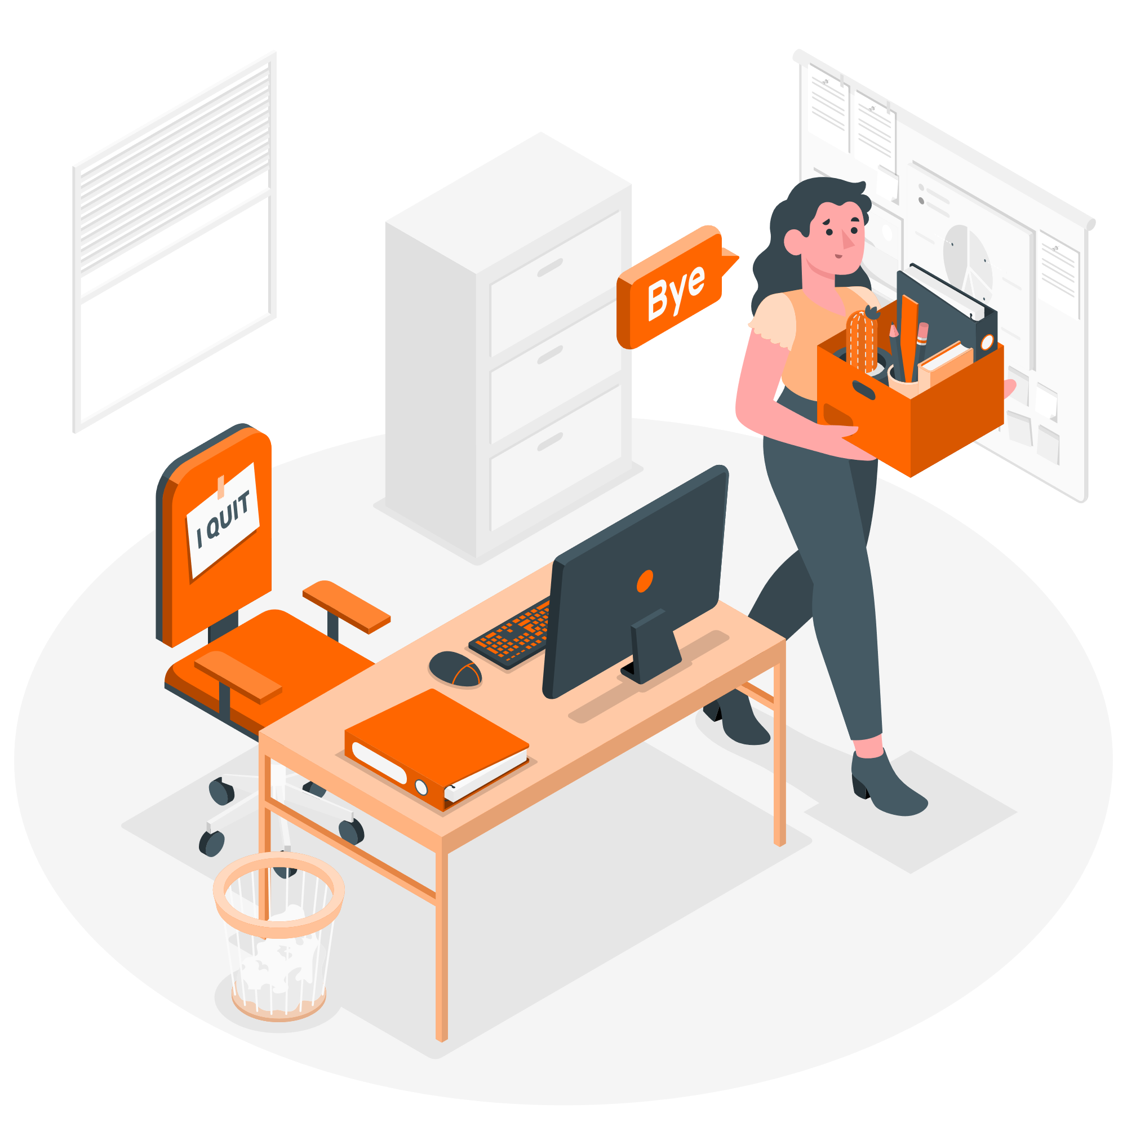
Product Development | 1,734,390 | 321,519 | 128,676 | 209,816
Major Mfg Projects | 386,690 | - | 104,715 | -
Manufacturing | 5,993,961 | 1,351,006 | 671,020 | 936,649
Manufacturing Admin | 484,787 | 55,378 | - | 22,235
Marketing | 2,970,372 | 382,976 | 210,177 | 88,228
Sales | 931,271 | 284,577 | 27,136 | 149,557
IT | 2,630,087 | 250,813 | 133,875 | 209,262
Professional Training Group | 1,080,602 | 63,463 | 55,124 | 38,032
Account Management | 4,152,712 | 725,487 | 379,206 | 446,010
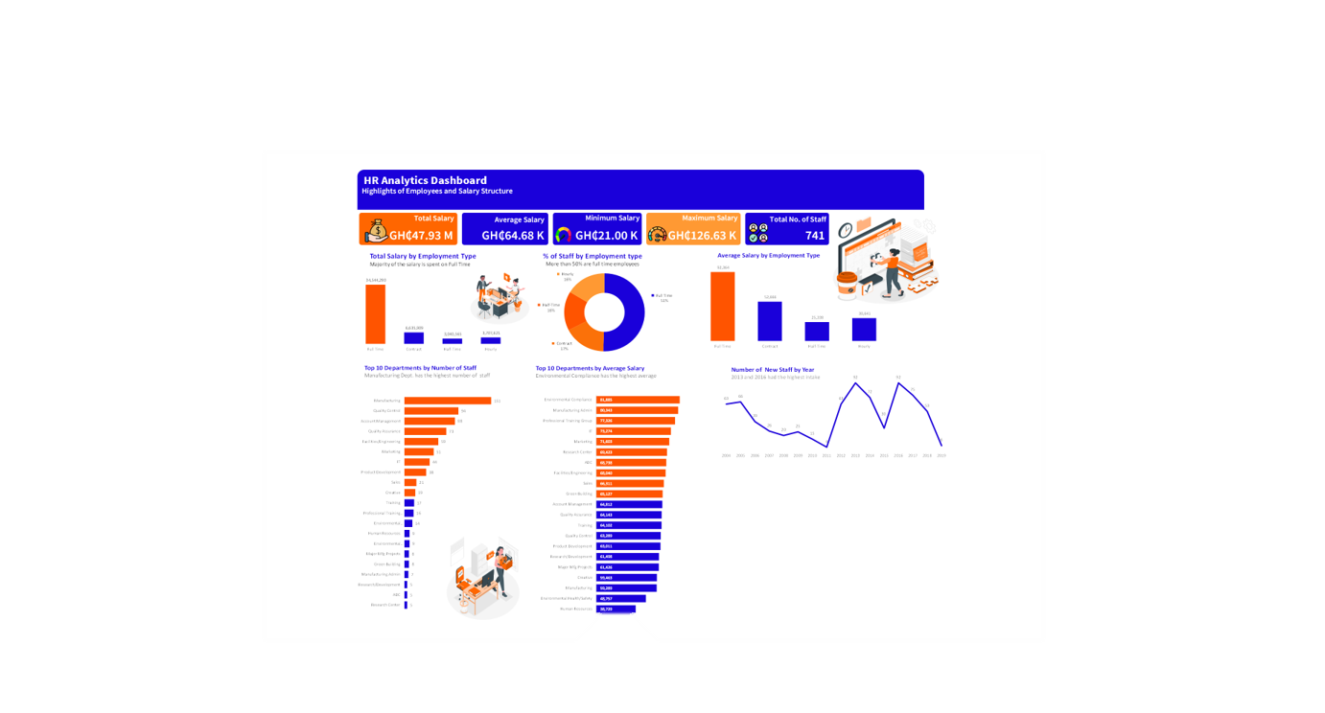
Quality Assurance | 3,454,688 | 504,367 | 333,053 | 390,298
Quality Control | 4,072,871 | 856,973 | 345,924 | 673,413
Research Center | 254,052 | 59,600 | - | 33,461
Research/Development | 110,404 | 170,048 | 27,040 | -

